INSTRUCTIONS
 | Click "File"
 |  | 1 | c
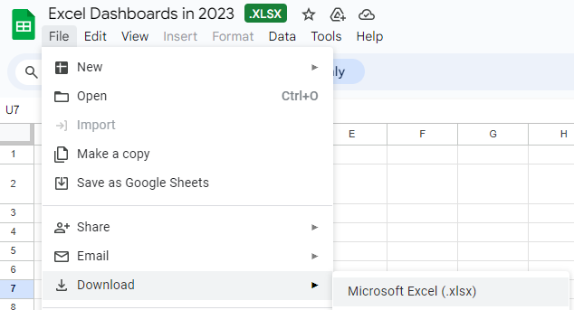

then Choose "Download"
to Microsoft Excel

Dashboard
EXCEL DASHBOARD 2024 BY SUHAIL AHMED

Chart Title
Sales Completion | 86%
Sales Incompletion | 14%
SALE
$ 754, 941
Chart Title
Profit Completion | 85%
Profit Incompletion | 15%
Profit
Chart Title
Customer Completion | 84%
Customer Incompletion | 16%
Number of customer

Customer per months
Sales per month
Sum of Customers
 | Sum of Customers
Jan-23 | 300
Feb-23 | 310
Mar-23 | 300
Apr-23 | 700
May-23 | 650
Jun-23 | 1,600
Jul-23 | 1,800
Aug-23 | 1,700
Sep-23 | 2,000
Grand Total | 9,360

Chart Title
 | Sales | Target Sales
 | 30,000 | 20,000
 | 45,000 | 10,000
 | 60,000 | 10,000
 | 55,000 | 40,000
 | 80,000 | 20,000
 | 100,000 | 6,000
 | 129,941 | 5,000
 | 130,000 | 5,000
 | 125,000 | 2,000
 | 754,941 | 118,000

Per month per region

